Actual Operation Evidence
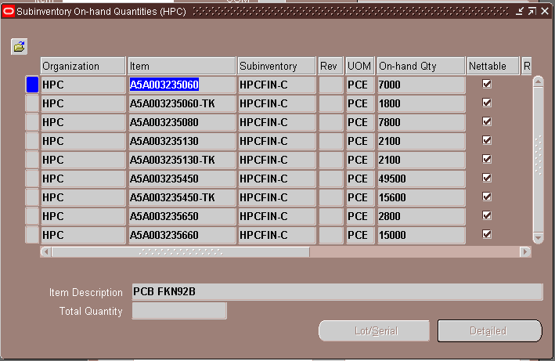
Actual Operation Evidence

